Sheet1
District | 2013-14 | 2014-15 | 2015-16 | 2016-17 | 2017-18
District Total | 15.3% | 15.9% | 15.0% | 15.5% | 15.6%
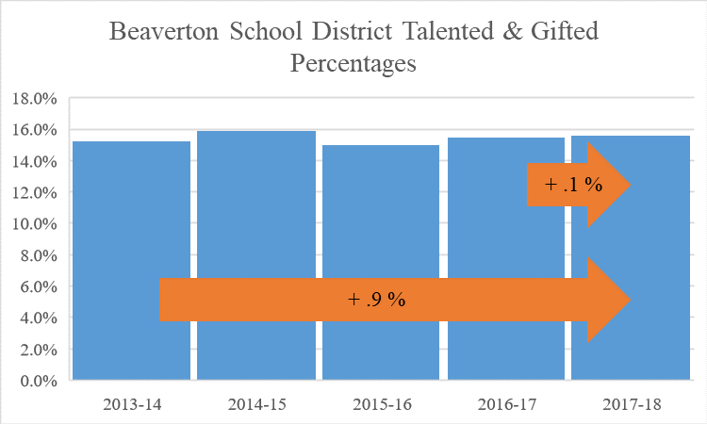

High Schools | 2013-14 | 2014-15 | 2015-16 | 2016-17 | 2017-18
Aloha | 7.0% | 7.1% | 6.4% | 7.2% | 7.7%
ACMA | 22.5% | 23.3% | 22.2% | 24.0% | 22.1%
Beaverton | 14.3% | 14.3% | 11.8% | 12.0% | 12.0%
Community School | 0.0% | 1.4% | 1.2% | 1.3% | 1.2%
Health and Science | 12.5% | 14.2% | 14.1% | 15.3% | 16.0%
ISB High | 33.3% | 35.7% | 38.2% | 39.1% | 38.3%
Mountainside |  |  |  |  | 17.0%
Science & Technology | 34.4% | 32.0% | 29.7% | 29.8% | 26.0%
Southridge | 14.5% | 14.9% | 14.3% | 16.8% | 14.4%
Sunset | 19.1% | 20.7% | 19.5% | 22.5% | 26.6%
Westview | 20.5% | 20.9% | 20.9% | 22.2% | 23.0%
All High Schools | 17.0% | 17.8% | 16.7% | 19.0% | 19.0%

Middle Schools | 2013-14 | 2014-15 | 2015-16 | 2016-17 | 2017-18
Cedar Park | 20.1% | 22.1% | 19.9% | 22.3% | 21.6%
Conestoga | 8.8% | 11.7% | 12.6% | 13.6% | 13.9%
Five Oaks | 7.9% | 8.5% | 9.8% | 10.2% | 10.2%
Highland Park | 16.2% | 18.3% | 18.6% | 18.7% | 18.8%
Meadow Park | 27.8% | 25.4% | 23.9% | 24.5% | 22.2%
Mountain View | 7.2% | 6.8% | 6.2% | 6.6% | 5.8%
Stoller | 35.0% | 38.2% | 39.8% | 41.6% | 41.6%
Whitford | 23.1% | 19.7% | 18.9% | 21.0% | 22.0%
All Middle Schools | 18.9% | 20.1% | 20.1% | 19.8% | 21.1%

Elementary Schools | 2013-14 | 2014-15 | 2015-16 | 2016-17 | 2017-18
Aloha-Huber Park, K-8 | 5.5% | 9.1% | 10.0% | 9.4% | 9.2%
Barnes | 6.3% | 7.1% | 8.3% | 6.2% | 7.3%
Beaver Acres | 6.3% | 5.0% | 3.6% | 4.5% | 5.5%
Bethany | 18.6% | 17.7% | 17.7% | 19.2% | 19.6%
Bonny Slope | 16.0% | 16.6% | 17.2% | 16.3% | 15.5%
Cedar Mill | 21.9% | 21.8% | 18.5% | 16.6% | 12.9%
Chehalem | 4.4% | 6.1% | 3.8% | 4.8% | 4.2%
Cooper Mtn. | 14.9% | 15.0% | 10.8% | 7.8% | 6.8%
Elmonica | 12.4% | 10.8% | 11.2% | 9.9% | 8.3%
Errol Hassell | 7.7% | 7.6% | 7.9% | 5.0% | 8.1%
Findley | 25.7% | 26.9% | 25.8% | 23.8% | 24.1%
Fir Grove | 7.2% | 7.7% | 5.2% | 5.9% | 4.9%
Greenway | 8.3% | 6.5% | 5.6% | 3.4% | 2.5%
Hazeldale | 6.5% | 7.3% | 9.3% | 10.9% | 9.5%
Hiteon | 16.9% | 16.6% | 12.8% | 12.1% | 10.1%
Jacob Wismer | 30.6% | 32.1% | 29.6% | 26.7% | 26.2%
Kinnaman | 7.6% | 6.6% | 5.3% | 4.9% | 6.0%
McKay | 6.3% | 8.5% | 4.5% | 4.1% | 2.3%
McKinley | 4.6% | 5.2% | 5.2% | 3.8% | 2.9%
Montclair | 15.1% | 14.7% | 13.8% | 15.6% | 15.4%
Nancy Ryles | 11.0% | 13.3% | 11.8% | 10.6% | 10.3%
Oak Hills | 16.9% | 20.1% | 19.4% | 16.5% | 15.7%
Raleigh Hills, K-8 | 11.8% | 11.5% | 9.7% | 10.3% | 8.9%
Raleigh Park | 18.6% | 19.1% | 17.4% | 16.4% | 14.1%
Ridgewood | 12.2% | 14.8% | 14.8% | 14.5% | 11.8%
Rock Creek | 16.9% | 17.1% | 18.2% | 12.8% | 13.7%
Sato |  |  |  |  | 14.9%
Scholls Heights | 20.1% | 21.3% | 17.4% | 12.2% | 18.1%
Sexton Mtn. | 11.9% | 11.9% | 12.6% | 12.5% | 13.2%
Springville, K-8 | 16.0% | 14.7% | 14.4% | 15.1% | 16.1%
Terra Linda | 16.6% | 14.2% | 13.3% | 10.4% | 10.6%
Vose | 7.2% | 7.8% | 5.1% | 3.8% | 6.0%
West Tualatin View | 15.8% | 11.8% | 10.6% | 11.2% | 12.3%
William Walker | 3.1% | 2.6% | 3.4% | 3.7% | 3.4%
All Elementary Schools | 12.8% | 13.2% | 12.1% | 10.9% | 11.2%

Charter Schools | 2013-14 | 2014-15 | 2015-16 | 2016-17 | 2017-18
Arco Iris Spanish Immersion School | 8.3% | 8.1% | 6.1% | 6.3% | 6.0%
Hope Chinese Charter School | 1.1% | 0.9% | 1.6% | 2.6% | 1.7%
All Charter Schools | 5.7% | 5.7% | 4.3% | 4.5% | 4.2%

chart
+ .9 %
+ .1 %

 | 2012-13 | 2013-14 | 2014-15 | 2015-16 | 2016-17 | 2017-18
District Total | 14.7% | 15.3% | 15.9% | 15.0% | 15.5% | 15.6%

